Design Regulator
 LM(2)5143/-Q1 Synchronous Buck Controller Design Tool
 |  |  |  |  |  |  |  |  |  |  |  | http://www.ti.com/product/lm5175
About |  | xx |  |  | = Input Box |  |  |  |  |  |  | TERMS OF USE

Step 1: Operating Specifications
20V...26V
C_{IN}
C_{VCC1}
D_{BOOT1}
D_{BOOT2}
C_{VCC2}
50µF
2.2μF
2.2μF
 |  |  | Input Voltage – Min, VIN(min) | 20 | V
 |  |  | Input Voltage – Nom, VIN(nom) | 21 | V
 |  |  | Input Voltage – Max, VIN(max) | 26 | V
 |  |  | Output Voltage, VOUT | 3.3 | V |  |  | Output Voltage, VOUT2 | 5 | V
R_{S1}
Q₁
C_{BOOT1}
C_{BOOT2}
Q₃
R_{S2}
 |  |  | Full Load Output Current, IOUT | 4 | A |  |  | Full Load Output Current, IOUT2 | 8 | A
10mΩ
L_{O1}
L_{O2}
10mΩ
 |  |  | Switching Frequency, FSW | 2100 | kHz
3.3V
5V
 |  |  | Frequency Set Resistor, RT | 10.5 | kΩ
4A
C_{O1}
0.68µH
1µH
C_{O2}
8A
 |  |  | Ambient Temperature, TA | 25 | °C
5µF
Q₂
Q₄
4.7µF
LM5143-Q1
Step 2: Current Sense Resistors
 |  |  | Required IOCP Setpoint at VIN(nom) | 9 | A |  |  | Required IOCP Setpoint at VIN(nom) | 5 | A
 |  |  | Recommended Sense Resistance | 7.3 | mΩ |  |  | Recommended Sense Resistance | 12.3 | mΩ
R_{T}
 |  |  | Sense Resistance, RS | 10 | mΩ |  |  | Sense Resistance, RS2 | 10 | mΩ
 |  |  | Min Inductor Sat Current, ILO(SAT) | 7.3 | A |  |  | Min Inductor Sat Current, ILO2(SAT) | 7.3 | A
10.5kΩ
Connect to 5V rail
 |  |  | Max power loss in shunt | 0.40 | W |  |  | Max power loss in shunt RS2 | 0.41 | W
C_{VCCX}
 |  |  | VIN(min) | 6.3 | A |  |  | VIN(min) | 6.4 | A
2.2μF
 |  | IOUT(typ) at OCP Inception: | VIN(nom) | 6.3 | A |  | IOUT2(typ) at OCP Inception: | VIN(nom) | 6.4 | A
 |  |  | VIN(max) | 6.3 | A |  |  | VIN(max) | 6.3 | A
C_{C1}
R_{C1}
18nF
Rc2
Cc3
0.98kΩ
27nF
1.47kΩ
Step 3: Buck Inductances
 |  |  | Ch1 Recommended Inductance | 0.65 | µH |  |  | Ch2 Recommended Inductance | 0.99 | µH
 |  |  | Ch1 Inductance, LO1 | 0.68 | µH |  |  | Ch2 Inductance, LO2 | 1 | µH
C_{C2}
C_{D}
Cc4
 |  |  | Ch1 Inductor DCR | 5 | mΩ |  |  | Ch2 Inductor DCR | 9 | mΩ
150pF
100pF
 |  |  | DIL as a % at VIN(nom) | 49 | % |  |  | DIL2 as a % at VIN(nom) | 23 | %
C_{VDDA}
C_{RES}
Css1
Css2
100nF
470nF
100nF
470nF
Step 4: Output Capacitors
 |  |  | Ch1 Output Voltage Ripple Spec | 50 | mVpk-pk |  |  | Ch2 Output Voltage Ripple Spec | 50 | mVpk-pk
 |  |  | Ch1 Minimum Output Capacitance | 2.4 | µF |  |  | Ch2 Minimum Output Capacitance | 2.2 | µF
 |  |  | Output Capacitance (derated), COUT | 5 | µF |  |  | Ch2 Output Cap (derated), COUT2 | 5 | µF

 |  |  | Ch1 Maximum Permitted ESR | 22 | mΩ |  |  | Ch2 Maximum Permitted ESR | 24 | mΩ
 |  |  | Ch1 Output Capacitor ESR | 2 | mΩ |  |  | Ch2 Output Capacitor ESR | 2 | mΩ |  |  |  | ** Tie VCCX to GND if not used **
 |  |  | Resulting Output Voltage Ripple (max) | 25 | mVpk-pk |  |  | Resulting Output Voltage Ripple (max) | 24 | mVpk-pk
 |  |  | Output Capacitor RMS Current (max) | 0.59 | A (rms) |  |  | Output Capacitor RMS Current (max) | 0.57 | A (rms)

Step 5: Input Capacitors
 |  |  | Input Voltage Ripple Spec | 250 | mVpk-pk
 |  |  | Minimum Input Capacitance | 10 | µF
 |  |  | Input Capacitance, CIN | 50 | µF
 |  |  | Maximum Permitted ESR | 47.9 | mΩ
 |  |  | Input Capacitor ESR | 1 | mΩ
 |  |  | Resulting Input Voltage Ripple (max) | 15 | mVpk-pk
 |  |  | Input Capacitor RMS Current (max) | 3.50 | A (rms)

Step 6: Soft-start, Hiccup, Dither, DEMB, MODE
 |  |  | Soft-Start Time, tSS | 3 | ms
 |  |  | Soft-Start Capacitance, CSS | 100 | nF
 |  |  | Hiccup Fault Time, tRES | 30 | ms
 |  |  | RES Capacitance, CRES | 470 | nF
 |  |  | Modulating Frequency | 9
 |  |  | *Tie DITH to VDDA
 |  |  | *Tie DEMB to AGND
 |  |  | * Tie MODE to AGND

Step 7: Compensation Design
 |  |  | Ch1 Load Pole Frequency | 53013 | Hz |  |  | Ch2 Load Pole Frequency | 62179 | Hz
 |  |  | Ch1 ESR Zero Frequency | 16931 | kHz |  |  | Ch2 ESR Zero Frequency | 16931 | kHz
 |  |  | Ch1 Desired Crossover Frequency | 60 | kHz |  |  | Ch2 Desired Crossover Frequency | 60 | kHz
Crossover Frequency = 30.6 kHz
 |  |  | Ch1 Error Amp Pole Frequency | 0.1 | Hz |  |  | Ch2 Error Amp Pole Frequency | 0.1 | Hz
Phase Margin = 135°
 |  |  | * Tie FB1 to VDDA for Ch1 3.3V Out | 10 | kΩ |  |  | * Tie FB2 to AGND for Ch2 5V Out | 10 | kΩ
 |  |  |  | 2.21 | kΩ |  |  |  | 1.37 | kΩ

Compensation Components
 | Calculated / | Std Values | Std Values |  | Actual P/Z Frequencies
RC1 | 1.0 | 0.976 | 0.976 | kΩ | 0 | Hz (FPEA)
CC1 | 27.2 | 27 | 27 | nF | 6.0 | kHz (FZCOMP)
CC2 | 149 | 150 | 150 | pF | 1043 | kHz (FPCOMP)
RC2 | 1.5 | 1.47 | 1.47 | kΩ | 0 | Hz (FPEA2)
CC3 | 18.0 | 18 | 18 | nF | 6.0 | kHz (FZCOMP2)
CC4 | 96 | 100 | 100 | pF | 1018 | kHz (FPCOMP2) |  |  |  |  | ** Specify Inductor Core Loss ** | 0.3 | W

Efficiency / Power Loss Analyzer

Step 8: Efficiency
 |  |  |  |  | Ch1 Power MOSFETs | (Q1, Q2) |  | Ch2 Power MOSFETs | (Q3, Q4)
 |  |  |  | NVMFS5H663, NVMFS5C628NL |  |  | NVMFS5H663, NVMFS5C628NL
 |  |  |  | High-side | Low-side |  | High-side | Low-side
73%
68.7%
 |  |  | On-State Resistance, RDS(on) | 6.0 | 2.5 | mΩ | 6 | 2.5 | mΩ
 |  |  | Total Gate Charge, QG | 8 | 25 | nC | 8 | 25 | nC
 |  |  | Gate-Drain Charge, QGD | 1.4 | 4.5 | nC | 1.4 | 4.5 | nC
 |  |  | Gate-Source Charge, QGS | 3.8 | 12 | nC | 3.8 | 12 | nC
 |  |  | Output Charge, QOSS |  | 30 | nC |  | 30 | nC
 |  |  | Output Capacitance, COSS | 213 | 1700 | pF | 213 | 1700 | pF
 |  |  | Gate Resistance, RG | 0.5 | 0.5 | Ω | 0.5 | 0.5 | Ω
 |  |  | Transconductance, gFS | 64 | 280 | S | 64 | 280 | S
 |  |  | Gate-Source Threshold Voltage, VTH | 2.9 | 3 | V | 2.9 | 3 | V
 |  |  | Body Diode Forward Voltage, VBD | 0.7 | 0.7 | V | 0.7 | 0.7 | V
 |  |  | Body Diode Rev Recovery Charge, QRR |  | 60 | nC |  | 60 | nC
 |  |  | Thermal Resistance, θJA | 50 | 38 | °C/W | 50 | 38 | °C/W

External Schottky Diode (if applicable) |  |  |  | Ch1 | Ch2
 |  |  | Schottky Fwd Voltage, VFWDsch | 0 | 0 | V
 |  |  | Schottky Rev Recovery Charge, QRRsch | 0 | 0 | nC

Step 9: IC Power Loss
 |  |  | IC Power Dissipation | 0.69 | W
 |  |  | IC Junction Temperature (estimate) | 49.1 | °C

BOM & Schematic
20V...26V
C_{IN}
C_{VCC1}
D_{BOOT1}
D_{BOOT2}
C_{VCC2}
50µF
2.2μF
2.2μF

R_{S1}
C_{BOOT1}
C_{BOOT2}
R_{S2}
L_{O1}
10mΩ
Q₁
Q₃
L_{O2}
10mΩ
3.3V
5V
4A
C_{O1}
0.68µH
1µH
C_{O2}
8A
Q₂
Q₄
5µF
4.7µF
LM5143-Q1

R_{T}

10.5kΩ

C_{VCCX}
2.2μF
C_{C1}
Rc2
Cc3
R_{C1}
27nF
18nF
0.98kΩ
1.47kΩ

C_{C2}
C_{D}
Cc4
150pF
100pF
Css1
Css2
C_{VDDA}
C_{RES}
100nF
100nF
470nF
470nF

** Tie DEMB to VDDA for FPWM, AGND for DCM ** |  |  |  |  |  | ** Tie VCCX to GND if not used **
** Tie MODE to VDDA for Single, AGND for Dual Outputs **
** For Dual-Output Operation, tie FB1/FB2 to to VDDA for Fixed 3.3V, AGND for Fixed 5V Output **
** For Single-Output Operation in 2-Phase Mode, tie MODE to VDDA and use FB1 to set VOUT. Connect FB2 to AGND to disable EA of channel 2 **
** For Single-Output Operation in 3-Phase or 4-Phase Mode, tie all MODE pins to VDDA. Use FB1 of master IC to set VOUT. Connect FB2 of master IC to AGND. Connect FB2 of slave IC to VDDA to configure it as a slave **
VIN = 20 V to 26 V, VOUT1 = 3.3 V, IOUT1 = 4A, VOUT2 = 5 V, IOUT2 = 8 A, Fsw = 2100 kHz, Current Limit = 9 A
High Efficiency Synchronous Buck Regulator BOM
Count | Ref Des | Value | Description |  | Size | Part Number | MFR
2 | CBOOT1, CBOOT2 | 0.1µF | Capacitor, Ceramic, 0.1-µF, 25V, X7R, 20% |  | 0603 | Std | Std
1 | CC1 | 27nF | Capacitor, Ceramic, 27-nF, 16V, X7R, 10% |  | 0603 | Std | Std
1 | CC2 | 150pF | Capacitor, Ceramic, 150-pF, 50V, NP0, 5% |  | 0603 | Std | Std
1 | CC3 | 18nF | Capacitor, Ceramic, 18-nF, 16V, X7R, 10% |  | 0603 | Std | Std
1 | CC4 | 100pF | Capacitor, Ceramic, 100-pF, 50V, NP0, 5% |  | 0603 | Std | Std
1 | CRES | 470nF | Capacitor, Ceramic, 470-nF, 16V, X7R, 10% |  | 0603 | Std | Std
1 | CDITH | 10nF | Capacitor, Ceramic, 10-nF, 16V, X7R, 10% |  | 0603 | Std | Std
5 | CIN | 10µF | Capacitor, Ceramic, 10-µF, 50V, X7R, 20% |  | 1210 | Std | Std
1 | COUT | 47µF | Capacitor, Ceramic, 47-µF, 10V, X7R, 20% |  | 1210 | Std | Std
2 | CSS1, CSS2 | 100nF | Capacitor, Ceramic, 100-nF, 16V, X7R, 10% |  | 0603 | Std | Std
3 | CVCC1, CVCC2, CVCCX | 2.2µF | Capacitor, Ceramic, 2.2-µF, 25V, X7R, 20% |  | 0603 | Std | Std
1 | CVDDA | 0.47µF | Capacitor, Ceramic, 0.47-µF, 25V, X7R, 20% |  | 0603 | Std | Std
2 | DBOOT1, DBOOT2 | See description | Schottky Diode, 60V, 200mA |  | - | - | Various
1 | LO1 | 0.68µH | Inductor, 0.68µH, 5mΩ, >12A |  | - | - | Various
1 | LO2 | 1µH | Inductor, 1µH, 9mΩ, >7A |  | - | - | Various
2 | Q1, Q2 | See description | MOSFET, N-CH, 40V, 6mΩ |  | Std | NVMFS5H663, NVMFS5C628NL | -
2 | Q3, Q4 | See description | MOSFET, N-CH, 40V, 6mΩ |  | Std | NVMFS5H663, NVMFS5C628NL | -
1 | RC1 | 0.976k | Resistor, Chip, 0.976-kΩ, 1/16W, 1% |  | 0603 | Std | Std
1 | RC2 | 1.47k | Resistor, Chip, 1.47-kΩ, 1/16W, 1% |  | 0603 | Std | Std
1 | RS1 | 10m | Resistor, Chip, 10-mΩ, 2W, 1% |  | 0508 | Std | Std
1 | RS2 | 10m | Resistor, Chip, 10-mΩ, 2W, 1% |  | 0508 | Std | Std
1 | RT | 10.5k | Resistor, Chip, 10.5-kΩ, 1/16W, 1% |  | 0603 | Std | Std
1 | RFB1 | 10k | Resistor, Chip, 10-kΩ, 1/16W, 1% |  | 0603 | Std | Std
1 | RFB2 | 2.21k | Resistor, Chip, 2.21-kΩ, 1/16W, 1% |  | 0603 | Std | Std
1 | RFB3 | 10k | Resistor, Chip, 10-kΩ, 1/16W, 1% |  | 0603 | Std | Std
1 | RFB4 | 1.37k | Resistor, Chip, 1.37-kΩ, 1/16W, 1% |  | 0603 | Std | Std
2 | RPGOOD1, RPGOOD2 | 100k | Resistor, Chip, 100-kΩ, 1/16W, 1% |  | 0603 | Std | Std
2 | RPG1, RPG2 | 100k | Resistor, Chip, 100-kΩ, 1/16W, 1% |  | 0603 | Std | Std
1 | RDEMB | 100k | Resistor, Chip, 100-kΩ, 1/16W, 1% |  | 0603 | Std | Std
1 | RVIN | 2.2 | Resistor, Chip, 2.2-Ω, 1/16W, 1% |  | 0603 | Std | Std
1 | U1 | LM5143-Q1 | IC, LM5143-Q1, Buck PWM Controller, 3.5V–65V Input |  | VQFN-40 | LM5143QRWGRQ1 | TI

NOTES:
** For information on TI NexFETTM MOSFETs, see ** |  |  | http://www.ti.com/nexfet | **
** Inductor saturation current should be higher than the peak inductor current at the OCP setpoint for all input voltages and operating temperatures **
** Effective input and output capacitances should be appropriately derated for applied voltage and temperature, particularly with ceramics **

EVM
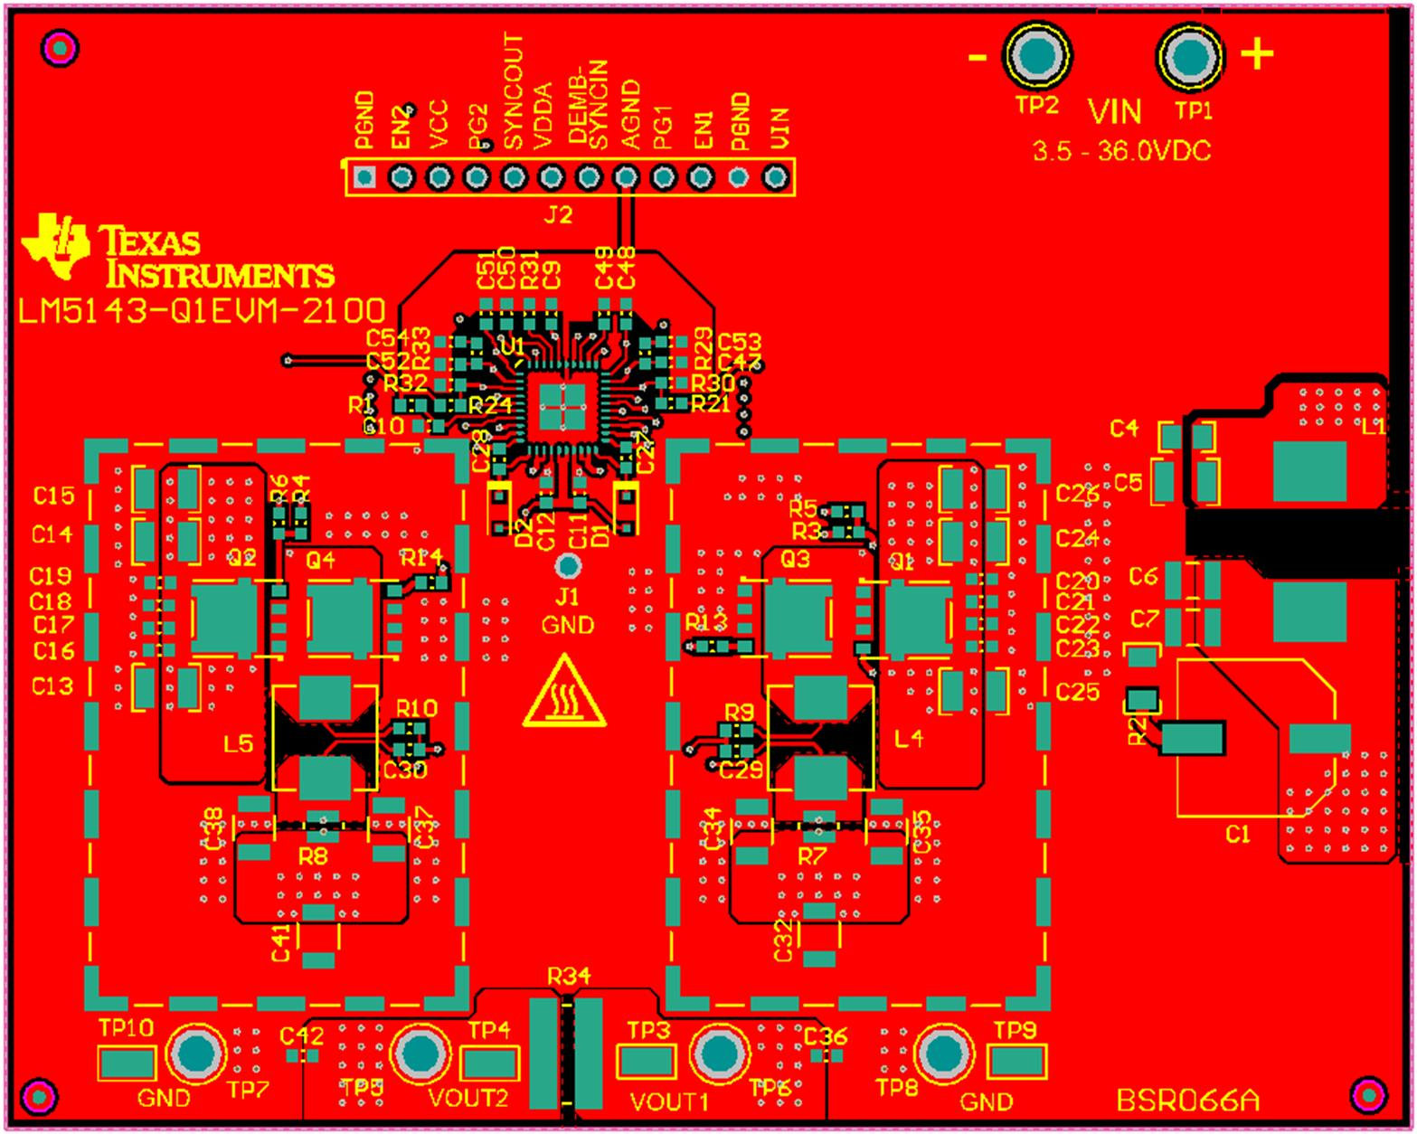
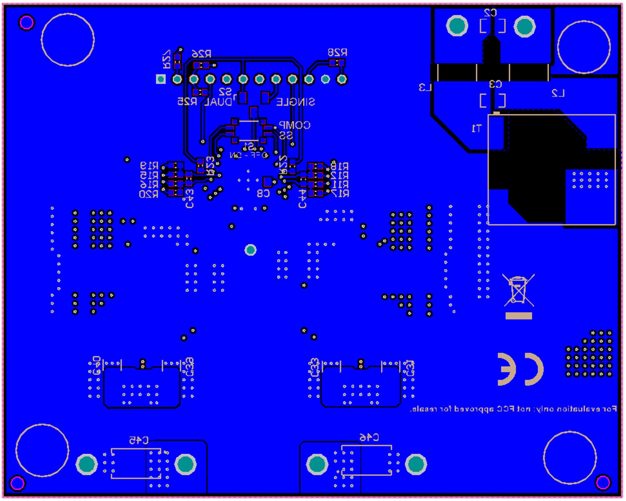
LM(2)5143/-Q1 Quickstart Design Tool

 | LM5143-Q1EVM-2100 PCB Layout

